Sling
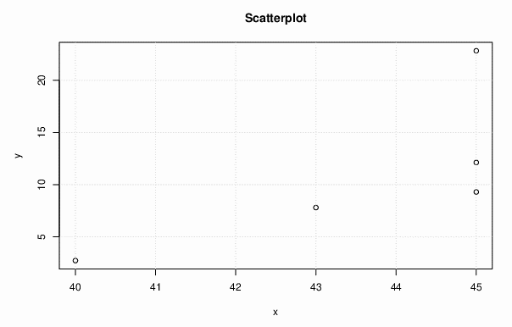
Version | Defect Density Y | Statement Coverage X
v2.15.0 | 2.715211355 | 40
v2.16.0 | 7.800045548 | 43 |  | Spearman Correlation (rs)
v2.18.0 | 12.12020588 | 45
v2.18.2 | 9.294605809 | 45
v2.20.0 | 22.83180026 | 45

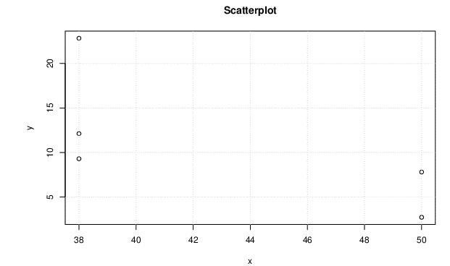
Version | Defect Density Y | Branch Coverage X
v2.15.0 | 2.715211355 | 50
v2.16.0 | 7.800045548 | 50 |  | Spearman Correlation (rs)
v2.18.0 | 12.12020588 | 38
v2.18.2 | 9.294605809 | 38
v2.20.0 | 22.83180026 | 38

SEE ANALYSIS BELOW -

 | Spearman Correlation rs | How well x and y are correlated based on rs? | Evidence for rejecting null hypothesis
Line Coverage | 0.894427191 | Strong positive correlation | you must accept the null hypothesis that there is no correlation
 | Spearman Correlation rs | How well x and y are correlated based on rs? | Evidence for rejecting null hypothesis
Branch Coverage | -0.86602540378 | Strong negative correlation | Strong evidence for rejecting null hypothesis

Math
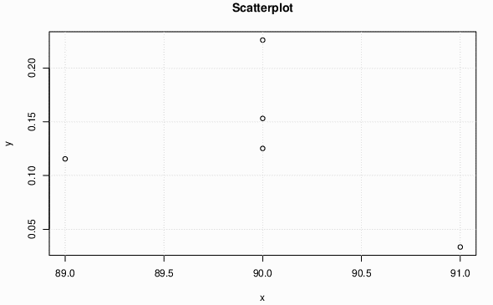
Version | Defect Density Y | Statement Coverage X
v 3.2 | 0.11552413299 | 89
v 3.3 | 0.22602388821 | 90 |  | Spearman Correlation (rs)
v 3.4 | 0.12520586734 | 90
v 3.5 | 0.033510460051 | 91
v 3.6 | 0.15312418371 | 90

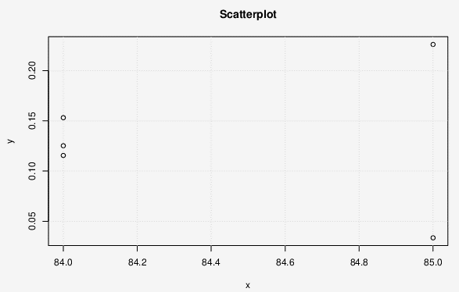
Version | Defect Density | Branch Coverage
v 3.2 | 0.11552413299 | 84
v 3.3 | 0.22602388821 | 85 |  | Spearman Correlation (rs)
v 3.4 | 0.12520586734 | 84
v 3.5 | 0.033510460051 | 85
v 3.6 | 0.15312418371 | 84

SEE ANALYSIS BELOW -

 | Spearman Correlation rs | How well x and y are correlated based on rs? | Evidence for rejecting null hypothesis
Line Coverage | -0.22360679775 | very weak negative correlation | you must accept the null hypothesis that there is no correlation.
 | Spearman Correlation rs | How well x and y are correlated based on rs? | Evidence for rejecting null hypothesis
Branch Coverage | 0 | No correlation | you must accept the null hypothesis that there is no correlation.

Lang
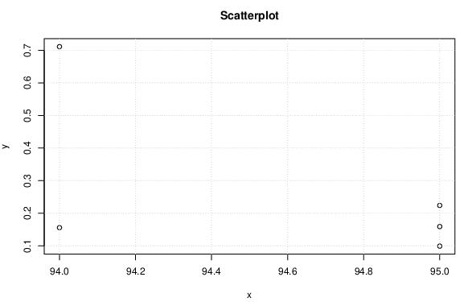
Version | Defect Density Y | Statement Coverage X
v 3.4 | 0.1557052432 | 94
v 3.5 | 0.7112835435 | 94 |  | Spearman Correlation (rs)
v 3.6 | 0.2237943082 | 95
v 3.7 | 0.09887895979 | 95
v 3.8 | 0.1588795326 | 95

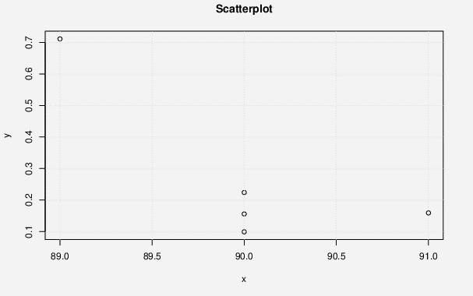

Version | Defect Density | Branch Coverage
v 3.4 | 0.1557052432 | 90
v 3.5 | 0.7112835435 | 89 |  | Spearman Correlation (rs)
v 3.6 | 0.2237943082 | 90
v 3.7 | 0.09887895979 | 90
v 3.8 | 0.1588795326 | 91

SEE ANALYSIS BELOW -
 | Spearman Correlation rs | How well x and y are correlated based on rs? | Evidence for rejecting null hypothesis
Line Coverage | -0.28867513459 | very weak negative correlation | you must accept the null hypothesis that there is no correlation.
 | Spearman Correlation rs | How well x and y are correlated based on rs? | Evidence for rejecting null hypothesis
Branch Coverage | -0.4472135955 | a weak negative correlation | you must accept the null hypothesis that there is no correlation.

FileUpload
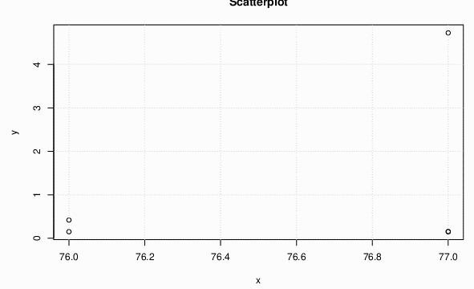
Version | Defect Density Y | Statement Coverage X
v 1.3 | 4.7256097561 | 77
v 1.3.1 | 0.15276504736 | 77 |  | Spearman Correlation (rs)
v 1.3.2 | 0.15202189115 | 77
v 1.3.3 | 0.15087507544 | 76
v 1.4 | 0.41899441341 | 76

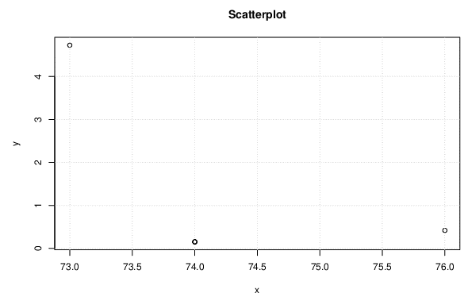
Version | Defect Density | Branch Coverage
v 1.3 | 4.7256097561 | 73
v 1.3.1 | 0.15276504736 | 74 |  | Spearman Correlation (rs)
v 1.3.2 | 0.15202189115 | 74
v 1.3.3 | 0.15087507544 | 74
v 1.4 | 0.41899441341 | 76

SEE ANALYSIS BELOW -

 | Spearman Correlation rs | How well x and y are correlated based on rs? | Evidence for rejecting null hypothesis
Line Coverage | 0.28867513459 | weak positive correlation | you must accept the null hypothesis that there is no correlation.
 | Spearman Correlation rs | How well x and y are correlated based on rs? | Evidence for rejecting null hypothesis
Branch Coverage | -0.22360679775 | very weak negative correlation | you must accept the null hypothesis that there is no correlation.

Collection
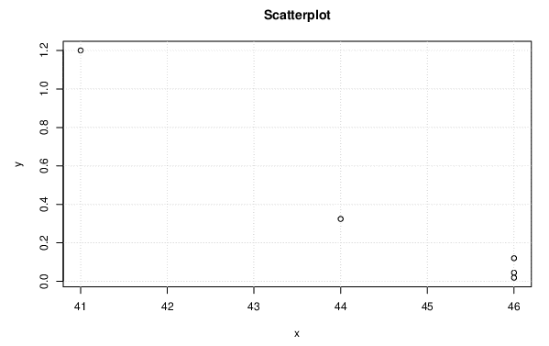
Version | Defect Density Y | Statement Coverage X
v4.0 | 1.2006985883 | 41
v4.1 | 0.32428425832 | 44 |  | Spearman Correlation (rs)
v4.2 | 0.1199940003 | 46
v4.3 | 0.044790158109 | 46
V4.3Rc2 | 0.01833438247 | 46


Version | Defect Density | Branch Coverage
v4.0 | 1.2006985883 | 77
v4.1 | 0.32428425832 | 78 |  | Spearman Correlation (rs)
v4.2 | 0.1199940003 | 81
v4.3 | 0.044790158109 | 81
V4.3Rc2 | 0.01833438247 | 81

SEE ANALYSIS BELOW -

 | Spearman Correlation rs | How well x and y are correlated based on rs? | Evidence for rejecting null hypothesis
Line Coverage | -0.894427191 | Very strong negative correlation | Strong evidence for rejecting null hypothesis
 | Spearman Correlation rs | How well x and y are correlated based on rs? | Evidence for rejecting null hypothesis
Branch Coverage | -0.894427191 | Very strong negative correlation | Strong evidence for rejecting null hypothesis

